Menu Order (Table)
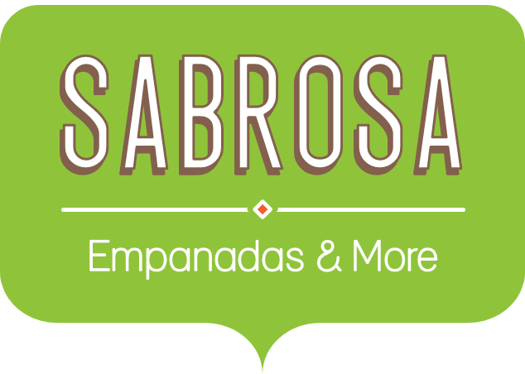 | Catering Invoice Sabrosa Empanadas & More 1202 Biscayne Bay Drive Orlando, FL 32804 |  | Invoice #: 5686B Date: 05/10/16
MENU ITEM | UNIT PRICE | QUANTITY | LINE TOTAL
Empanadas: Beef Picadillo | $2.99 | 15 | $44.85
Empanadas: Chipotle Shrimp | $3.99 | 10 | $39.90
Tamales: Chicken Tinga | $2.29 | 20 | $45.80
Tamales: Vegetable | $2.29 | 30 | $68.70
Arepas: Carnitas | $2.89 | 10 | $28.90
Arepas: Queso Blanco | $2.49 | 20 | $49.80
Beverages: Horchata | $1.89 | 25 | $47.25

